Incident Review Flow Chart
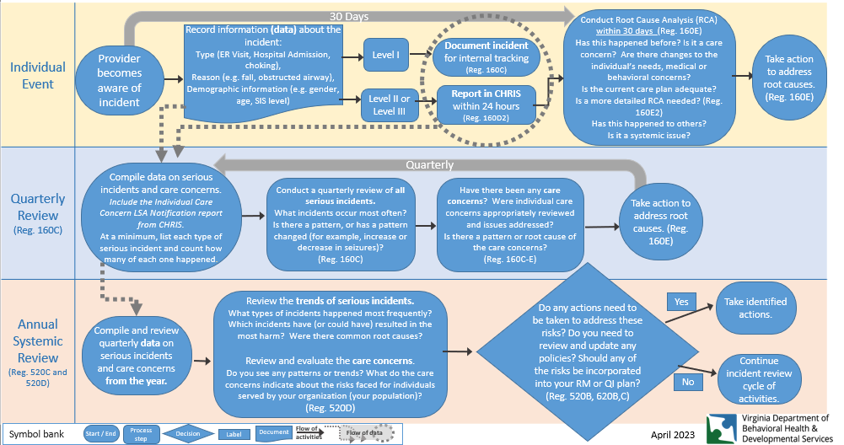
At a Glance Flow Chart – Incident Reviews

GRAPH Quarterly Totals ALL Risk
Quarterly Totals - All Risks and Conditions
 | Q1 Total Incidents | Q2 Total Incidents | Q3 Total Incidents | Q4 Total Incidents
Aspiration Pneumonia | 0 | 0 | 0 | 0
Bowel obstruction* | 0 | 0 | 0 | 0
Choking* | 0 | 0 | 0 | 0
Decubitus ulcer or an increase in severity* | 0 | 0 | 0 | 0
Dehydration | 0 | 0 | 0 | 0
Falls | 0 | 0 | 0 | 0
Seizure | 0 | 0 | 0 | 0
Sepsis | 0 | 0 | 0 | 0
UTI | 0 | 0 | 0 | 0
Suicide Attempt | 0 | 0 | 0 | 0
Sexual Assault | 0 | 0 | 0 | 0
Medication Error | 0 | 0 | 0 | 0
Unplanned psychiatric hospitalization | 0 | 0 | 0 | 0
ADD YOUR OWN HERE | 0 | 0 | 0 | 0
ADD YOUR OWN HERE | 0 | 0 | 0 | 0
ADD YOUR OWN HERE | 0 | 0 | 0 | 0
ADD YOUR OWN HERE | 0 | 0 | 0 | 0
ADD YOUR OWN HERE | 0 | 0 | 0 | 0

GRAPH Level I SIRs
Quarterly Totals - Level I Serious Incidents
 | Q1 TOTAL Level I | Q2 TOTAL Level I | Q3 TOTAL Level I | Q4 TOTAL Level I
Choking* | 0 | 0 | 0 | 0
Dehydration | 0 | 0 | 0 | 0
Falls | 0 | 0 | 0 | 0
Seizure | 0 | 0 | 0 | 0
UTI | 0 | 0 | 0 | 0
Medication Error | 0 | 0 | 0 | 0
Unplanned psychiatric hospitalization | 0 | 0 | 0 | 0
ADD YOUR OWN HERE | 0 | 0 | 0 | 0
ADD YOUR OWN HERE | 0 | 0 | 0 | 0
ADD YOUR OWN HERE | 0 | 0 | 0 | 0
ADD YOUR OWN HERE | 0 | 0 | 0 | 0
ADD YOUR OWN HERE | 0 | 0 | 0 | 0
ADD YOUR OWN HERE | 0 | 0 | 0 | 0
ADD YOUR OWN HERE | 0 | 0 | 0 | 0
ADD YOUR OWN HERE | 0 | 0 | 0 | 0

GRAPH Level II SIRs
Quarterly Totals - Level II Serious Incidents
 | Q1 TOTAL Level II | Q2 TOTAL Level II | Q3 TOTAL Level II | Q4 TOTAL Level II
Aspiration Pneumonia | 0 | 0 | 0 | 0
Bowel obstruction* | 0 | 0 | 0 | 0
Choking* | 0 | 0 | 0 | 0
Decubitus ulcer or an increase in severity* | 0 | 0 | 0 | 0
Dehydration | 0 | 0 | 0 | 0
Falls | 0 | 0 | 0 | 0
Seizure | 0 | 0 | 0 | 0
Sepsis | 0 | 0 | 0 | 0
UTI | 0 | 0 | 0 | 0
Suicide Attempt | 0 | 0 | 0 | 0
Sexual Assault | 0 | 0 | 0 | 0
Medication Error | 0 | 0 | 0 | 0
Unplanned psychiatric hospitalization | 0 | 0 | 0 | 0
ADD YOUR OWN HERE | 0 | 0 | 0 | 0
ADD YOUR OWN HERE | 0 | 0 | 0 | 0
ADD YOUR OWN HERE | 0 | 0 | 0 | 0
ADD YOUR OWN HERE | 0 | 0 | 0 | 0
ADD YOUR OWN HERE | 0 | 0 | 0 | 0

GRAPH Level III SIRs
Quarterly Totals - Level III Serious Incidents
 | Q1 TOTAL Level III | Q2 TOTAL Level III | Q3 TOTAL Level III | Q4 TOTAL Level III
Aspiration Pneumonia | 0 | 0 | 0 | 0
Bowel obstruction* | 0 | 0 | 0 | 0
Choking* | 0 | 0 | 0 | 0
Decubitus ulcer or an increase in severity* | 0 | 0 | 0 | 0
Dehydration | 0 | 0 | 0 | 0
Falls | 0 | 0 | 0 | 0
Seizure | 0 | 0 | 0 | 0
Sepsis | 0 | 0 | 0 | 0
UTI | 0 | 0 | 0 | 0
Suicide Attempt | 0 | 0 | 0 | 0
Sexual Assault | 0 | 0 | 0 | 0
Medication Error | 0 | 0 | 0 | 0
Unplanned psychiatric hospitalization | 0 | 0 | 0 | 0
ADD YOUR OWN HERE | 0 | 0 | 0 | 0
ADD YOUR OWN HERE | 0 | 0 | 0 | 0
ADD YOUR OWN HERE | 0 | 0 | 0 | 0
ADD YOUR OWN HERE | 0 | 0 | 0 | 0
ADD YOUR OWN HERE | 0 | 0 | 0 | 0

GRAPH Care Concerns
Quarterly Trends in Risk Triggers and Thresholds/ Care Concerns
 | Q1 Total | Q2 Total | Q3 Total | Q4 Total
Multiple (2 or more) unplanned medical hospital admissions or ER visits for falls, urinary tract infection, aspiration pneumonia, dehydration, or seizures within a ninety (90) day time-frame for any reason. | 0 | 0 | 0 | 0
Any incidents of a decubitus ulcer diagnosed by a medical professional, an increase in the severity level of a previously diagnosed decubitus ulcer, or a diagnosis of a bowel obstruction diagnosed by a medical professional | 0 | 0 | 0 | 0
Any choking incident that requires physical aid by another person, such as abdominal thrusts (Heimlich maneuver), back blows, clearing of airway, or CPR | 0 | 0 | 0 | 0
Multiple (2 or more) unplanned psychiatric admissions within a ninety (90) day time-frame for any reason | 0 | 0 | 0 | 0
ADD YOUR RISK TRIGGER/THRESHOLD HERE | 0 | 0 | 0 | 0
ADD YOUR RISK TRIGGER/THRESHOLD HERE | 0 | 0 | 0 | 0
ADD YOUR RISK TRIGGER/THRESHOLD HERE | 0 | 0 | 0 | 0
ADD YOUR RISK TRIGGER/THRESHOLD HERE | 0 | 0 | 0 | 0
ADD YOUR RISK TRIGGER/THRESHOLD HERE | 0 | 0 | 0 | 0

